Geriatric Behavioral Reporting
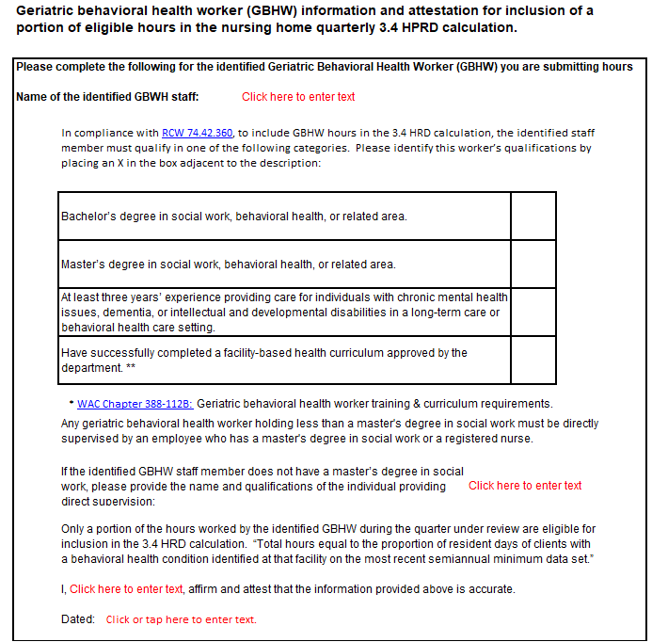
Facility Name:
State Vendor #:
Quarter Reporting:
Year Reporting:

Quarters are defined as: 1st Quarter (Jan - Mar), 2nd Quarter (Apr - Jun), 3rd Quarter (Jul - Sep), 4th Quarter (Oct - Dec)

Job Category | Month | Total Eligible BX Hours worked by the identified GBHW for the entire month | Total Number of Residents for Month, with one or more behavioral symptom specified in Section E of the most recent Semiannual MDS | Portion % | BX Portion Hours Allowed | Total Census | HPRD
Geriatric Behavioral | Month 1 |  |  | #DIV/0! | #DIV/0!
Health Workers | Month 2 |  |  | #DIV/0! | #DIV/0!
 | Month 3 |  |  | #DIV/0! | #DIV/0!
 | Quarter Total | 0 | 0 |  | #DIV/0! | 0 | #DIV/0!

In compliance with RCW 74.42.360, to include GBHW hours in the 3.4 HRD calculation, the identified staff member must qualify in one of the following categories.

(i) The worker must:
(A) Have a bachelor's or master's degree in social work, behavioral health, or other related areas; or
(B) Have at least three years experience providing care for individuals with chronic mental health issues, dementia, or intellectual and developmental disabilities in a long-term care or behavioral health care setting; or
(C) Have successfully completed a facility-based behavioral health curriculum approved by the department under RCW 74.39A.078;
(ii) Any geriatric behavioral health worker holding less than a master's degree in social work must be directly supervised by an employee who has a master's degree in social work or a registered nurse.

Only a portion of the hours worked by the identified GBHW during the quarter under review are eligible for inclusion in the 3.4 HRD calculation. “Total hours equal to the proportion of resident days of clients with a behavioral health condition identified at that facility on the most recent semiannual minimum data set.”

PLEASE COMPLETE THE ATTESTATION TAB

