3.4 Reporting
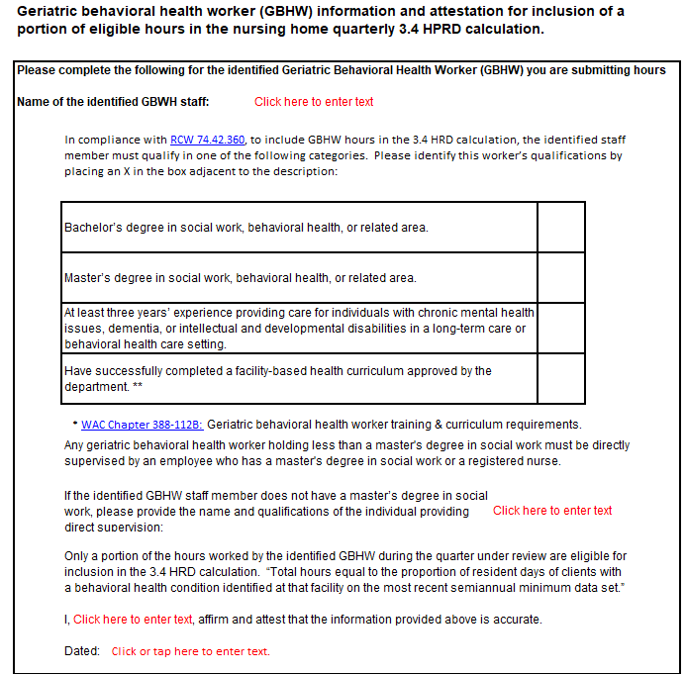
Facility Name:
State Vendor #:
Quarter Reporting:
Year Reporting:

Quarters are defined as: 1st Quarter (Jan - Mar), 2nd Quarter (Apr - Jun), 3rd Quarter (Jul - Sep), 4th Quarter (Oct - Dec)

Job Category | Month | Total Eligible Reported Hours |  |  |  | Total Patient Census for the Entire Month | HPRD
Licensed Nursing (F39, F40, F41, F42) | Month 1
 | Month 2
 | Month 3
 | Quarter Total | 0 |  |  |  | 0 | #DIV/0!
Aides (F43, F44, F45) | Month 1
 | Month 2
 | Month 3
 | Quarter Total | 0 |  |  |  | 0 | #DIV/0!
Job Category | Month | Total Eligible BX Hours worked by the identified GBHW for the entire month | Total Number of Residents for Month, with one or more behavioral symptom specified in Section E of the most recent Semiannual MDS | Portion % | BX Portion Hours Allowed | Total Patient Census for the Entire Month | HPRD
Geriatric Behavioral | Month 1 |  |  | #DIV/0! | #DIV/0!
Health Workers | Month 2 |  |  | #DIV/0! | #DIV/0!
 | Month 3 |  |  | #DIV/0! | #DIV/0!
 | Quarter Total | 0 | 0 |  | #DIV/0! | 0 | #DIV/0!

Licensed Nursing (LN) includes the following F-Tags:
F39 - RN Director of Nursing
F40 - Nurses with Administrative Duties
F41 - Registered Nurses
F42 - Licensed Practical/Vocational Nurses
Aides includes the following F-tags:
F43 - Certified Nurse Aides
F44 - Certified Nurse Aides in Training
F45 - Medication Aides/Technicians
DON Hours: If director of nursing, DON, hours are submitted by a facility with 61 or more licensed beds, we deduct DON hours per WAC 74.42.010 (2).
Example: A facility met the 3.4 requirement when they submitted their payroll hours to PBJ, however, if director of nursing, DON, hours are submitted by a facility with 61 or more licensed beds, we deduct DON hours per RCW 74.42.010 (2).
RCW 74.42.010 (2)
(2) "Direct care staff" means the staffing domain identified and defined in the center[s] for medicare and medicaid services' five-star quality rating system and as reported through the center[s] for medicare and medicaid services' payroll-based journal. For purposes of calculating hours per resident day minimum staffing standards for facilities with sixty-one or more licensed beds, the director of nursing services classification (job title code five), as identified in the centers for medicare and medicaid services' payroll-based journal, shall not be used. For facilities with sixty or fewer beds the director of nursing services classification (job title code five) shall be included in calculating hours per resident day minimum staffing standards.
RCW 74.42.010 (4)
(4) "Geriatric behavioral health worker" means a person with a bachelor's or master's degree in social work, behavioral health, or other related areas, or a person who has received specialized training devoted to mental illness and treatment of older adults.
RCW 74.42.360 (2)(c) (c) The department shall establish in rule an exception allowing geriatric behavioral health workers as defined in RCW 74.42.010 to be recognized in the minimum staffing requirements as part of the direct care service delivery to individuals who have a behavioral health condition. Hours worked by geriatric behavioral health workers may be recognized as direct care hours for purposes of the minimum staffing requirements only up to a portion of the total hours equal to the proportion of resident days of clients with a behavioral health condition identified at that facility on the most recent semiannual minimum data set. In order to qualify for the exception: (i) The worker must: (A) Have a bachelor's or master's degree in social work, behavioral health, or other related areas; or (B) Have at least three years experience providing care for individuals with chronic mental health issues, dementia, or intellectual and developmental disabilities in a long-term care or behavioral health care setting; or (C) Have successfully completed a facility-based behavioral health curriculum approved by the department under RCW 74.39A.078;

In compliance with RCW 74.42.360, to include GBHW hours in the 3.4 HRD calculation, the identified staff member must qualify in one of the following categories.

(i) The worker must:
(A) Have a bachelor's or master's degree in social work, behavioral health, or other related areas; or
(B) Have at least three years experience providing care for individuals with chronic mental health issues, dementia, or intellectual and developmental disabilities in a long-term care or behavioral health care setting; or
(C) Have successfully completed a facility-based behavioral health curriculum approved by the department under RCW 74.39A.078;
(ii) Any geriatric behavioral health worker holding less than a master's degree in social work must be directly supervised by an employee who has a master's degree in social work or a registered nurse.

Only a portion of the hours worked by the identified GBHW during the quarter under review are eligible for inclusion in the 3.4 HRD calculation. “Total hours equal to the proportion of resident days of clients with a behavioral health condition identified at that facility on the most recent semiannual minimum data set.”

PLEASE COMPLETE THE ATTESTATION TAB IF YOU HAVE BEHAVIOR HEALTH WORKER HOURS

